Babiators Wholesale Order Form
2019 THE BRUSHIES WHOLESALE ORDER FORM |  |  | Email: info@thebrushies.com |  | Phone 404-793-7299 X 1 |  |  | FAX 404-581-5102
675 N Highland Ave #700 Atlanta, GA 30306 |  |  |  |  |  | Wholesale hours: Monday-Friday, 10:00am-5:00pm EDT

Customer Name: |  |  |  |  | PO# :
Buyer Name: |  |  |  | Credit Card Type:
Email Address: |  |  |  | Credit Card Number:
Shipping Address: |  |  |  | Expire Date:
 |  |  |  | Order Type: |  |  | Opening |  | Reorder
Billing Address: |  |  |  | Ship Date
 |  |  |  | TAX ID #
Phone Number: |  |  |  | NOTES:
Sales Rep:
Submission of an order to Babiators LLC by company listed above confirms company understands and agrees to all Terms and Conditions listed below.
 |  |  |  |  |  |  | Units | $ Per Unit |  | Total
LARGE STARTER PACK | BRUSH-PACK-001 (BEST VAUE) | 4 Gift Sets - 5 each of the Single Book Sets + 2 FREE Book Sets ( Willa & Chomps) |  |  |  |  |  | $260.00 |  | $-
SMALL STARTER PACK | BRUSH-PACK-005 | 2 of each Book Sets and 2 of each Single Brushie |  |  |  |  |  | $120.00 |  | $-

ITEM |  |  | SKU |  |  |  | Units | $ Per Unit |  | Total
Brushies Gift Set - Book and 4 Brushies |  |  | BGS111 | 2 UNIT MINIMUM |  |  |  | $15.00 |  | $-
(Best Value)
ITEM |  |  | SKU
2 Pack with Mini Book ( Chomps &Willa) |  |  | B2P-CW | 6 UNIT MINUMUM |  |  |  | $6.50 |  | $-


2 Pack with Mini Book (Momo & Pinkey) |  |  | B2P-MP | 6 UNIT MINIMUM |  |  |  | $6.50 |  | $-

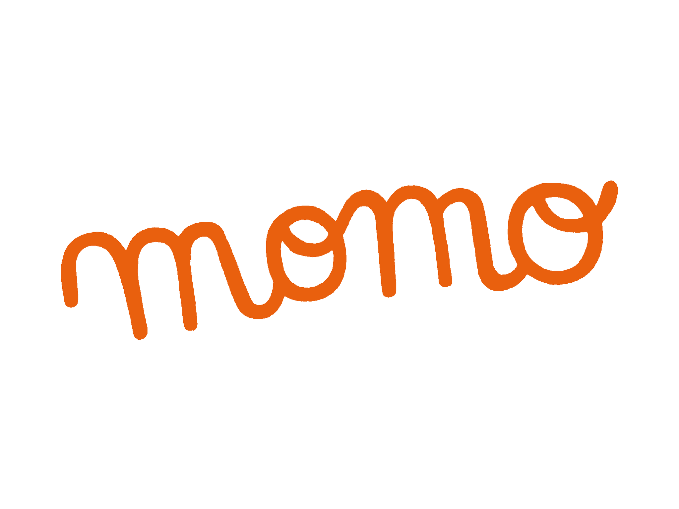
ITEM |  |  | SKU
Momo the Monkey Brushie and Book |  |  | BSSM111 | 2 UNIT MINIMUM |  |  |  | $10.00 |  | $-


Willa the Whale Brushie and Book |  |  | BSSW111 | 2 UNIT MINIMUM |  |  |  | $10.00 |  | $-

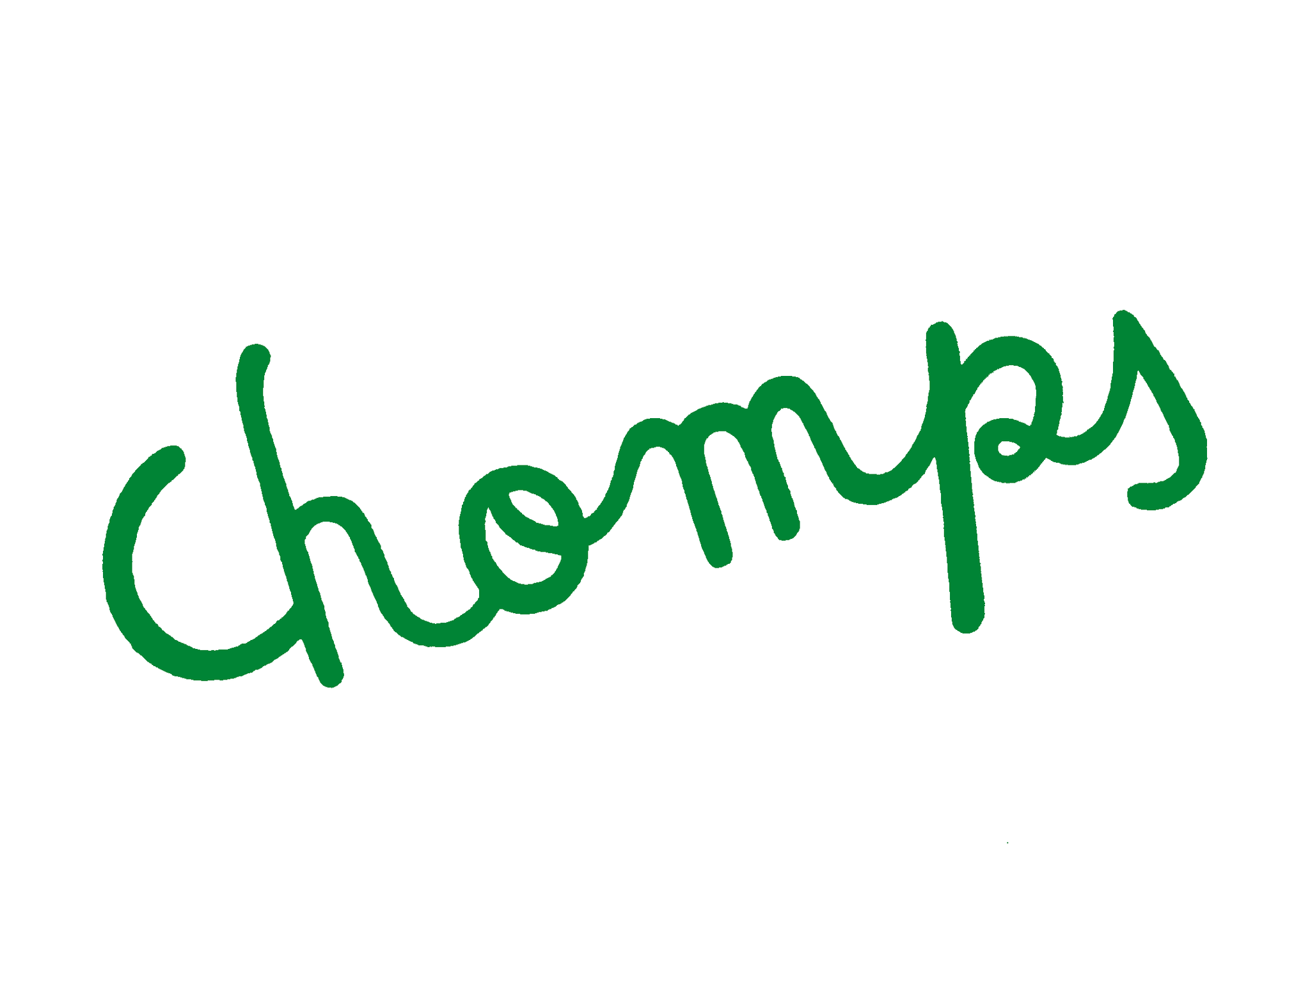
Chomps the Dino Brushie and Book |  |  | BSSC111 | 2 UNIT MINIMUM |  |  |  | $10.00 |  | $-

Pinkey the Pig Brushie and Book |  |  | BSSP111 | 2 UNIT MINIMUM |  |  |  | $10.00 |  | $-

ITEM |  |  | SKU
Momo the Monkey Brushie |  |  | BBM111 | 2 UNIT MINIMUM |  |  |  | $5.00 |  | $-

Willa the Whale Brushie |  |  | BBW111 | 2 UNIT MINIMUM |  |  |  | $5.00 |  | $-

Chomps the Dino Brushie |  |  | BBC111 | 2 UNIT MINIMUM |  |  |  | $5.00 |  | $-

Pinkey the Pig Brushie |  |  | BBP111 | 2 UNIT MINIMUM |  |  |  | $5.00 |  | $-

TOTAL ORDER VALUE - Pre-shipping (Shipping costs to be calcuated and added to order at the time of shipping) |  |  |  |  |  |  |  |  |  | $-

